Cover

Powered by

Stock Condition Survey Report
Prepared for XXXX
Address:
Survey date:
Prepared by:
Email:
Telephone:
Mobile:
Website:

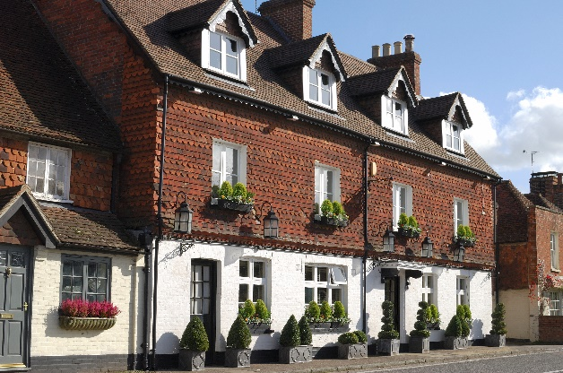

File reference: XXXXX

Executive Summary

Executive Summary
Key Issues
The property was generally in satisfactory condition, however there are a number of issues that would benefit from more immediate consideration:
1.
2.
3.
Health and Safety
The survey did not include a detailed Health and Safety assessment; whilst on site, no issues were observed. Should a more comprehensive review be required, it is advised that this be part of a future specialist survey
Costs Summary
The indicative net cost of works over the 5-year period to address the condition issues identified is £X (exc. VAT). All costings within this report are exclusive of VAT.
GEFA
GEFA produced for this site: Yes/No
Draft EPC
Photographs

Cost by Year
Planned & Preventative Maintenance Report
Property name, Property Street Address, Property Town/City, Property Post Code
Year | Year 0 | Year 1 | Year 2 | Year 3 | Year 4 | Year 5 | Year 04 | Year 03 | Year 02 | Total
Total |  |  |  | 21 | 210 | 76 |  |  |  | £307

Summary by Year
 | Total
 | 0
 | 0
 | 0
 | 21
 | 210
 | 76.083
 | 0
 | 0
 | 0

 | 1 | 1 | 1 | 1 | 1

Cost by Element
Planned & Preventative Maintenance Report
Property name, Property Street Address, Property Town/City, Property Post Code
BCIS Ref. | Year 0 | Year 1 | Year 2 | Year 3 | Year 4 | Year 5 | Year 04 | Year 03 | Year 02 | Total
1. Substructure |  |  |  |  |  |  |  |  |  | £
2. Superstructure |  |  |  |  |  | 76 |  |  |  | £76
3. Internal Finishes |  |  |  |  | 210 |  |  |  |  | £210
4. Fittings, Furnishings and Equipment |  |  |  |  |  |  |  |  |  | £
5. Services |  |  |  | 21 |  |  |  |  |  | £21
6. Prefabricated Building and Building Units |  |  |  |  |  |  |  |  |  | £
7. Work to Existing Buildings |  |  |  |  |  |  |  |  |  | £
8. External Works |  |  |  |  |  |  |  |  |  | £
Total |  |  |  | 21 | 210 | 76 |  |  |  | £307

Summary by BCIS
 | 1. Substructure | 2. Superstructure | 3. Internal Finishes | 4. Fittings, Furnishings and Equipment | 5. Services | 6. Prefabricated Building and Building Units | 7. Work to Existing Buildings | 8. External Works
 | 0 | 0 | 0 | 0 | 0 | 0 | 0 | 0
 | 0 | 0 | 0 | 0 | 0 | 0 | 0 | 0
 | 0 | 0 | 0 | 0 | 0 | 0 | 0 | 0
 | 0 | 0 | 0 | 0 | 21 | 0 | 0 | 0
 | 0 | 0 | 210 | 0 | 0 | 0 | 0 | 0
 | 0 | 76.083 | 0 | 0 | 0 | 0 | 0 | 0
 | 0 | 0 | 0 | 0 | 0 | 0 | 0 | 0
 | 0 | 0 | 0 | 0 | 0 | 0 | 0 | 0
 | 0 | 0 | 0 | 0 | 0 | 0 | 0 | 0

Cost by Grade
Planned & Preventative Maintenance Report
Property name, Property Street Address, Property Town/City, Property Post Code
Condition Grade | Year 0 | Year 1 | Year 2 | Year 3 | Year 4 | Year 5 | Year 04 | Year 03 | Year 02 | Total
A |  |  |  |  |  | 76 |  |  |  | £76
B |  |  |  |  |  |  |  |  |  | £
C |  |  |  |  | 210 |  |  |  |  | £210
D |  |  |  | 21 |  |  |  |  |  | £21
Total |  |  |  | 21 | 210 | 76 |  |  |  | £307

Summary by Condition Grade
 | A | B | C | D
 | 0 | 0 | 0 | 0
 | 0 | 0 | 0 | 0
 | 0 | 0 | 0 | 0
 | 0 | 0 | 0 | 21
 | 0 | 0 | 210 | 0
 | 76.083 | 0 | 0 | 0
 | 0 | 0 | 0 | 0
 | 0 | 0 | 0 | 0
 | 0 | 0 | 0 | 0

Report Overview
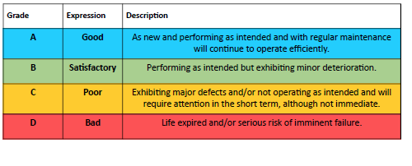
Introduction
A planned preventative maintenance (PPM) survey assesses the maintenance requirements of an asset over a given period in years, in order to enable a budget to be set and a structured plan for maintenance to be developed and implemented to prevent breakdowns and failures by replacing components and materials before the end of their expected usable life.

Allcott Commercial were appointed by to undertake a 5-year planned preventative maintenance (PPM) survey and produce a maintenance schedule and survey report.

The survey was carried out on ||dates|| by XXXX ||additional author|| of Allcott Associates.

The weather at the time of inspection was ||*hot/warm/cold/wet/dry/sunny/cloudy/overcast/ raining/snowing/windy*||.

The property was subject to a visual non-disruptive inspection. No testing of services or opening of the structure was undertaken

Inspection of the roof was carried out.

The property was ||occupied/un occupied|| at the time of the survey.

For the purposes of inspection and reporting, ‘left’ or ‘right’ assume a viewpoint facing the element, and the front elevation is that which incorporates the principal entrance.

A list of limitations that apply to the survey are set out at the end of this report.

Allcott Associates would welcome the opportunity to provide further advice on putting in place a strategic maintenance programme as part of the overall estates strategy, that takes forward the findings set out within this report with the budget available. Allcott Associates consultants can also provide advice on priorities, work packages and how these can be best procured to achieve best value, and project management to ensure any agreed works are delivered to time and on budget.

